Bug Reporting
QA
Bug ID | Module Name | Description | TC ID | Steps | Screenshots | Severity | Priority | Reported By | Assigned To | Resolution | Status
ORHRM_001 | Orange-HRM- Info | Dashboard is displayed after successfully login. Instead of My Info Page | TC_MyInfo_001 | 1)Go to Browser 2)Open URL “https://opensourcedemo.orangehrmlive.com” 3)Provide valid ESS Username and Valid Password 4)Click on Login Button | 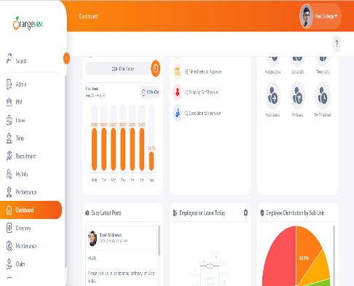 | S3 | P3 | Abdul Lathif | John | Accepted | Inprogress

ORHRM_002 | Orange-HRM- Info | The User is able to edit the Restricted Personal Details of SSN Number ,SIN Number, Employee ID | TC_MyInfo_007 | 1)Login to OrangeHRM as ESS User 2)Click on My Info Tab 3)Click on Personal Details Tab. | 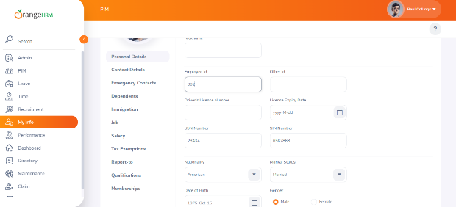 | S1 | P1 | Abdul Lathif | John | Accepted | Inprogress

